2025 Pay Schedule
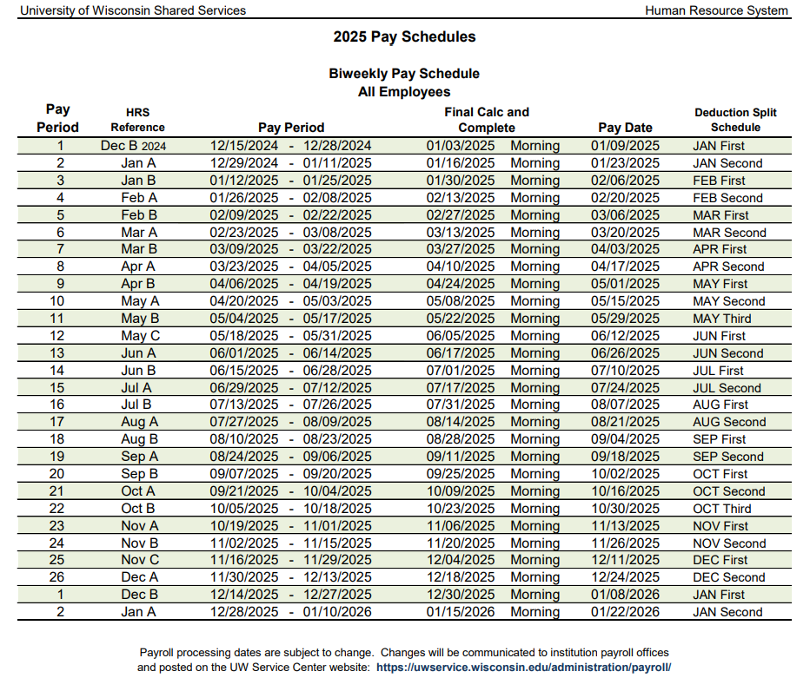
Link to 2025 Pay Schedule: | https://www.wisconsin.edu/shared-services/wp-content/uploads/sites/346/2025/07/pay-bw-calendar-2025-full.pdf

2026 Pay Schedule
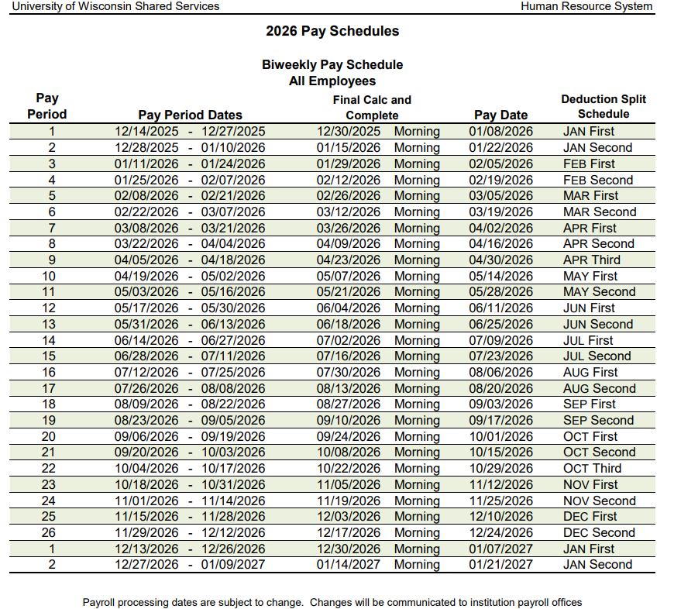
Link to 2026 Pay Schedule: | https://www.wisconsin.edu/shared-services/wp-content/uploads/sites/346/2025/06/pay-bw-calendar-2026-full.pdf

